Growth 2010-2021
 |  |  | ANALYSIS OF GROWTH FOR 2010-2021 |  |  |  |  |  |  |  |  |  |  |  |  |  | STATISTICS FOR ANALYSIS IN THE ENERGY REPORT

MACRO DATA
 |  |  |  |  |  |  |  |  |  |  |  |  |  |  |  | Growth for |  | AAGR for | AAGR for | Formula of AAGR
 | Year | Unit | 2010 | 2011 | 2012 | 2013 | 2014 | 2015 | 2016 | 2017 | 2018 | 2019 | 2020 | 2021 |  | 2017-2021 |  | 2015-2018 | 2010-2018 | a = (yn / y0)^(1/n) - 1
 | Population1 |  | 89,700 | 87,400 | 88,300 | 89,949 | 91,359 | 93,419 | 94,677 | 95,843 | 97,000 | 97,625 | 98,462 | 98,908 |  | 0.95%
 | Real GDP (at constant prices of 2014) | MSR_2014 |  |  |  |  | 17,688 | 18,685 | 19,685 | 20,573 | 21,231 | 21,886 | 20,196 | 21,794 | Source: SA 2021
 | GDP Deflator | Base year 2006 |  |  |  |  | 100 | 101 | 101 | 104 | 107 | 108 | 105 | 114
 | Nominal GDP (at current market price) | MSR | 11,705 | 13,196 | 15,544 | 17,015 | 17,688 | 18,857 | 19,849 | 21,474 | 22,763 | 23,635 | 21,151 | 24,881
 | Growth Index for Real GDP at const prices 2006 |  |  |  |  |  | 100% | 106% | 111% | 116% | 120% | 124% | 114% | 123%
 | Growth Index for Population |  |  |  |  |  | 100% | 102% | 104% | 105% | 106% | 107% | 108% | 108%
 |  |  |  |  |  |  |  |  |  |  |  |  |  |  |  |  | Index
 | PEC | kTOE | 118.7 | 133.4 | 131.0 | 141.2 | 138.2 | 145.2 | 156.8 | 163.6 | 162.7 | 179.1 | 151.5 | 156.8 |  | 4.67% |  |  | 4.673%
 | Primary Energy Consumption (PEC) or TPES | TOE | 118,718 | 133,367 | 131,000 | 141,231 | 138,157 | 145,241 | 156,763 | 163,580 | 162,723 | 179,073 | 151,471 | 156,792 |  | 4.67% | 151
 | Share of Petroleum Fuel in PEC |  | 99.7% | 99.7% | 99.7% | 99.3% | 99.3% | 99.3% | 99.3% | 99.3% | 99.2% | 99.5% | 99.2% | 99.2%
 | Share of Renewable Energy in PEC |  | 0.3% | 0.3% | 0.3% | 0.7% | 0.7% | 0.7% | 0.7% | 0.7% | 0.8% | 0.5% | 0.8% | 0.8%
 | All RE incl solar water heaters and biomass | TOE | 358 | 384 | 401 | 956 | 1,009 | 1,075 | 1,146 | 1,184 | 1,298 | 897 | 1,222 | 1,191
 | Wind energy production | GWh | - | - | - | 6.951 | 7.091 | 6.795 | 6.857 | 6.617 | 7.392 | 5.709 | 5.985 | 5,079
 | Solar PV production | GWh |  |  |  |  | 0.471 | 1.541 | 2.299 | 2.982 | 3.535 | 4.033 | 6.687 | 7,374 |  |  |  |  | 54%
 | Energy Independence Rate (Share of RE) |  | 0.3% | 0.3% | 0.3% | 0.7% | 0.7% | 0.7% | 0.7% | 0.7% | 0.8% | 0.5% | 0.8% | 0.8%
 | Growth Index for PEC |  |  |  |  |  | 100% | 105% | 113% | 118% | 118% | 130% | 110% | 113%

 | FEC | kTOE | 72.7 | 74.8 | 78.3 | 80.8 | 84.1 | 89.7 | 96.0 | 101.5 | 103.2 | 104.2 | 97.2 | 96.8 |  | 4.1% |  | 3.9% | 4.1% |  |  | Year 2010
 | Final Energy Consumption (FEC) | TOE | 73,546 | 70,403 | 72,000 | 77,425 | 81,188 | 89,580 | 92,775 | 95,382 | 100,386 | 107,957 | 86,064 | 90,924 |  | 9.7% |  | 6.5% |  | No. of Houses |  | 23,770
 | Ventilated FEC |  | 72,740 | 74,788 | 78,340 | 80,818 | 84,085 | 89,690 | 96,032 | 101,508 | 103,165 | 104,187 | 97,172 | 96,824 |  |  |  | 4.1% | 6.7%
 | Share of Petroleum Fuel in FEC | TOE | 65% | 63% | 61% | 60% | 61% | 62% | 61% | 62% | 62% | 63% | 63% | 60% |  | 5.2% |  | 3.9% |  | No. of Households |  | 24,770
 | Share of Electricity in FEC |  | 35% | 37% | 39% | 40% | 39% | 38% | 39% | 38% | 38% | 40% | 39% | 42%
 | Share of Renewable Energy in FEC | TOE |  |  |  | 893 | 938 | 995 | 1,084 | 1,123 | 1,231 | 1,232 | 1,089.8 | 1,003
 | Share of Renewable Energy in FEC | % |  |  |  | 1.2% | 1.2% | 1.1% | 1.2% | 1.2% | 1.2% | 1.1% | 1.3% | 1.1% | Source: Energy Indicators - Macro.xls takes into account T&D losses
 |  |  |  |  |  |  |  |  |  |  |  |  |  |  |  |  |  |  |  |  |  |  | Projection for
 | Per capita GDP | 2014 | - | - | - | - | 193,610 | 200,013 | 207,917 | 214,651 | 218,875 | 224,188 | 205,115 | 220,349 |  |  |  |  | 4.0% |  |  | Year 2017 | Year 2025
 | Per capita PEC | TOE | 1.32 | 1.53 | 1.48 | 1.57 | 1.51 | 1.55 | 1.66 | 1.71 | 1.68 | 1.83 | 1.54 | 1.59 |  |  |  |  |  | Population |  | 95.8 | 102.9
 | Per capita FEC | TOE | 0.82 | 0.81 | 0.82 | 0.86 | 0.89 | 0.96 | 0.98 | 1.00 | 1.03 | 1.11 | 0.87 | 0.92 |  |  |  |  |  |  | Male | 48.8 | 52.3
 | Per capita Electricity Consumption | kWh | 2,902 | 3,201 | 3,281 | 3,411 | 3,422 | 3,471 | 3,865 | 3,982 | 3,979 | 4,101 | 4,082 | 4,061
 |  |  |  |  |  |  |  |  |  |  |  |  |  |  |  |  |  |  |  |  | Female | 47 | 50.6
 | Energy Intensity of GDP | TOE/MSR_2006 | #DIV/0! | #DIV/0! | #DIV/0! | #DIV/0! | 7.8 | 7.8 | 8.0 | 8.0 | 7.7 | 8.2 | 7.5 | 7.2
 | Energy System Efficiency | Ratio FEC/PEC | 62% | 53% | 55% | 55% | 59% | 62% | 59% | 58% | 62% | 60% | 57% | 58% | 58%
 | Primary energy to produce 1 kToe Total Final energy | kToe |  |  | 1.82 | 1.82 | 1.70 | 1.62 | 1.69 | 1.71 | 1.62 | 1.66 | 1.76 | 1.72
 | 1. source: NBS Seychelles in Figures 2015, 2016, 2018 |  |  |  |  |  |  |  |  |  |  |  |  |  |  |  | 41.860465116
 | 2. Million Seychelles Rupee at constant 2006 market prices
 | 3. PEC and FEC values for 2012 are from the AFREC energy balance
 |  |  | 22% | 21% | 22% | 22% | 23% | 22% | 22% | 22% | 23% | 21%
ELECTRICITY GENERATION |  |  |  |  |  |  |  |  |  |  |  |  | 441834384

 | Year |  | 2010 | 2011 | 2012 | 2013 | 2014 | 2015 | 2016 | 2017 | 2018 | 2019 | 2020 | 2021
 | Total Elec Generation (incl. auto-producers) | GWh | 356 | 390 | 404 | 422 | 431 | 447 | 480 | 495 | 500 | 529 | 483 | 508
PUC |  |  |  |  |  |  |  |  |  |  |  |  |  |  |  | Growth Annual Average rate for Energy Generation.
 | Electricity Generation by PUC |  | 301 | 324 | 337 | 354 | 362 | 378 | 410 | 424 | 428 | 448 | 442 | 442.74 |  | 4.4%
 | HFO&LFO |  | 301.0 | 323.8 | 336.5 | 347.3 | 354.9 | 369.3 | 400.5 | 414.2 | 416.9 | 437.8 | 430.1 | 424.1 |  |  |  |  |  |  | SFC of Auto-producers
 | Wind |  |  |  |  | 7.0 | 7.1 | 6.8 | 6.9 | 6.6 | 7.4 | 5.7 | 6.0 | 5.1 |  |  | 3,708,890.00 |  |  |  | 3.5 kWh/ litre of LFO
 | Solar PV |  |  |  |  |  | 0.5 | 1.5 | 2.3 | 3.0 | 3.5 | 4.0 | 5.7 | 13.5 |  |  |  |  |  |  | 0.0041518386714 | GWh / MT of LFO
 | Elec from Renewable Energy |  | 0.00 | 0.00 | 0.00 | 6.95 | 7.56 | 8.34 | 9.16 | 9.60 | 10.93 | 9.74 | 11.70 | 18.62 |  |  | HFO savings |  | 2,260,081
 | Share of Renewable Energy in elec generation mix |  | 0% | 0% | 0% | 2.0% | 2.1% | 2.2% | 2.2% | 2.3% | 2.6% | 2.2% | 2.6% | 4.2%
 | Share of HFO&LFO |  | 100% | 100% | 100% | 98.04% | 97.91% | 97.79% | 97.77% | 97.74% | 97.45% | 97.82% | 97.35% | 95.79%
AUTO-PRODUCERS |  |  |  |  |  |  |  |  |  |  |  |  | assumption for the Covid year
 | Production of Auto-producers with LFO |  | 55.2 | 66.4 | 67.3 | 68.1 | 68.9 | 69.8 | 70.6 | 71.4 | 72.2 | 81.1 | 41.5 | 65.5
 | Share of Auto-producers in national total elec generation | % | 16% | 17% | 17% | 16% | 16% | 16% | 15% | 14% | 14% | 15% | 9% | 13%
 |  |  |  |  |  |  |  |  |  |  |  |  |  |  |  | No. of Consumers | Share in Consumption
NUMBER OF PUC CONSUMERS
 | Year |  | 2010 | 2011 | 2012 | 2013 | 2014 | 2015 | 2016 | 2017 | 2018 | 2019 | 2020 | 2021 |  | GR2010-2021 |  | GWh
 | Residential |  | 25,906 | 26,694 | 27,476 | 28,128 | 28,727 | 29,422 | 30,386 | 31,419 | 32,278 | 33,156 | 34,464 | 35,543 | 2.9% | 2.9%
 | Commercial & Industrial |  | 3,484 | 3,926 | 4,053 | 4,197 | 4,409 | 4,720 | 4,964 | 5,264 | 5,498 | 5,784 | 6,048 | 6,274 |  | 5.5% |  |  |  |  |  | Street | 1144319 | 1.14
 | Government |  | 679 | 678 | 614 | 470 | 484 | 511 | 517 | 524 | 532 | 786 | 804 | 833 |  | 1.9% |  |  |  |  |  | Gov | 26368176 | 26.37 | 47.33
 | Street lighting |  | 215 | 218 | 221 | 268 | 267 | 267 | 270 | 275 | 275 | 285 | 287 | 290 |  | 2.8% |  |  |  |  |  | Com High | 119570298 | 119.57 | 217.31
 | Total |  | 30,284 | 31,516 | 32,364 | 33,063 | 33,887 | 34,920 | 36,137 | 37,482 | 38,583 | 40,011 | 41,603 | 42,940 | 3.2% |  |  | - | 2,020 | 2021 |  | PUC | 20958017 | 20.96
 | Share of Residential |  | 86% | 85% | 85% | 85% | 85% | 84% | 84% | 84% | 84% | 83% | 83% | 83% |  | Commercial |  |  | 6,048 | 6274 |  | C1 & C3 | 97738820.84 | 97.74
 | Prepaid |  |  |  |  |  |  |  |  |  |  |  | 26 |  |  | Domestic |  |  | 34,464 | 35543 |  | Domestic | 134538602.44 | 134.54 | 134.56
ANNUAL PEAK POWER DEMAND |  |  | 2010 | 2011 | 2012 | 2013 | 2014 | 2015 | 2016 | 2017 | 2018 | 2019 | 2020 | 2021 |  | Government + PUC |  |  | 804 | 833
 | MAHE | MW | 42.6 | 44.8 | 46.5 | 49.9 | 50.9 | 53.2 | 56.9 | 58.9 | 58.4 | 60 | 61.5 | 59.5 |  | Street Light |  |  | 287 | 290
 | PRASLIN & LA DIGUE | MW | 6.46 | 7.2 | 6.99 | 7.25 | 8.06 | 7.7 | 8.2 | 8.68 | 9.05 | 9.88 | 9.47 | 8.69 |  | Prepaid |  |  | 26
 |  |  |  |  |  |  |  |  |  |  |  |  |  |  |  |  |  |  |  | 42940
ELECTRICITY CONSUMPTION |  |  |  |  |  |  |  |  |  |  |  |  |  |  |  | (incl. EOI, IOT, BBC) |  |  |  |  |  | Prepaid | 21709.4 | 0.02
 |  |  |  |  |  |  |  |  | 11% |  |  | 1.35%
 | Year |  | 2010 | 2011 | 2012 | 2013 | 2014 | 2015 | 2016 | 2017 | 2018 | 2019 | 2020 | 2021 |  |  |  |  | 2010-2021 | 2010-2015 | 2015-2020
 | Residential | GWh | 81.7 | 84.0 | 86.2 | 89.0 | 93.4 | 98.4 | 111.8 | 119.6 | 126.3 | 134.56 | 140.99 | 138.75 |  | 5.7% |  |  | 4.9% | 3.8% | 7.5%
 | Industry & Commerce |  | 115.95 | 134.66 | 162.90 | 174.80 | 181.20 | 187.29 | 208.72 | 213.40 | 212.30 | 217.31 | 210.04 | 207.33 |  | 5.4% | 18.5% | 4.8%
 | Government (incl. PUC) |  | 35.08 | 33.15 | 36.95 | 39.70 | 36.28 | 37.39 | 43.99 | 47.40 | 46.35 | 47.33 | 49.80 | 55.49 |  | 3.4% |  |  | 4.3% | 9.3% | 4.0%
 | Street Lights |  | 1.13 | 1.08 | 1.14 | 1.24 | 1.22 | 1.19 | 1.35 | 1.20 | 1.06 | 1.14 | 1.08 | 1.02 |  | 0.1% |  | - | -
 | BBC |  | 2.44 | 2.54 | 2.39 | 2.06 | 0.47 |  |  |  |  |  |  |  |  |  |  | 0 | 0
Electricity Consumption by Tariff Category
Total Electricity Generation in Seychelles in 2010-2018
 | PUC - HFO & LFO | Production of Auto-producers with LFO | Wind | Solar PV
2010 | 301.0 | 55.2
2011 | 323.8 | 66.4
2012 | 336.5 | 67.3
2013 | 347.3 | 68.1 | 7.0
2014 | 354.9 | 68.9 | 7.1 | 0.5
2015 | 369.3 | 69.8 | 6.8 | 1.5
2016 | 400.5 | 70.6 | 6.9 | 2.3
2017 | 414.2 | 71.4 | 6.6 | 3.0
2018 | 416.9 | 72.2 | 7.4 | 3.5
 | EOI |  | 2.66 | 2.49 |  |  |  |  |  |  |  |  |  |  |  | as from 2012, a new tariff was introduced, EOI and IOT and NPO were included in the Industry & Commerce
 | IOT |  | 20.93 | 21.43
 | NPO |  | 0.42 | 0.40 | 0.12
 | Total for PUC Consumers |  | 260 | 280 | 290 | 307 | 313 | 324 | 366 | 382 | 386 | 400.3 | 401.9 | 401.7 | 4,192.37 | 4.4%
 | PUC Stations' consumption |  | 11.40 | 10.70 | 10.02 | 10.86 | 11.35 | 12.22 | 11.82 | 11.89 | 12.16 | 13.05 | 12.99 | 13.00
Electricity Consumption by Sector (incl. Autoproducers)
 | RESIDENTIAL | SERVICE | #REF!
2010 | 81.72 | 178.9 | 1
2011 | 84.04 | 201.9
2012 | 86.21 | 226.8
2013 | 89.02 | 238.7
2014 | 93.43 | 239.8
2015 | 98.35 | 244.7
2016 | 111.82 | 268.3
2017 | 119.60 | 275.8
2018 | 126.29 | 269.2
 | Losses (technical & non-technical) |  | 29.32 | 33.35 | 36.79 | 36.54 | 38.49 | 41.19 | 31.97 | 30.33 | 29.67 | 34.18 | 21.01 | 28.08 |  | Tot elec gen - tot sales - stations cons
 | Losses (in % of tot gen) |  | 10% | 10% | 11% | 10% | 11% | 11% | 8% | 7% | 7% | 8% | 5% | 6%
 |  |  |  |  |  |  |  | 4.5% | 12.9% |  |  | 3.0% |  |  |  |  | 33.33%
 | Breaking down the Industry & Commerce (Re. Ecowatt study)
 | Manufacturing & Construction (27%) | GWh | 31.31 | 36.36 | 43.98 | 47.20 | 48.92 | 50.57 | 56.35 | 57.62 | 57.32 | 58.67 | 56.71 | 55.98 | Assumption of 27% |  | may need to be revised
 | Tourism (38%) |  | 44.06 | 51.17 | 61.90 | 66.42 | 70.95 | 70.57 | 79.31 | 81.09 | 80.67 | 82.58 | 79.81 | 78.79 | Assumption of 38% |  | may need to be revised
 | Services (35%) |  | 40.58 | 47.13 | 57.02 | 61.18 | 61.97 | 65.78 | 73.05 | 74.69 | 74.30 | 76.06 | 73.51 | 72.57 | Assumption of 35% |  | may need to be revised

 | Breakdown of the consumption of Auto-producers
 | Auto-producers in Industry (IOT) |  | 0.00 | 0.00 | 0.00 | 0.00 | 0.00 | 0.00 | 0.00 | 0.00 | 5.46 | 5.70 | 5.70 | 7.16
 | Auto-producers in Commerce (Commerce,..) |  | 55.2 | 66.4 | 67.3 | 68.1 | 68.9 | 69.8 | 70.6 | 71.4 | 66.8 | 75.4 | 35.8 | 58.7

 | Definition the Industrial Sector
 | Manufacturing & Construction |  | 31.31 | 36.36 | 43.98 | 47.20 | 48.92 | 50.57 | 56.35 | 57.62 | 57.32 | 58.67 | 56.71 | 55.98
 | Auto-producers in Industry (IOT) |  | 0.00 | 0.00 | 0.00 | 0.00 | 0.00 | 0.00 | 0.00 | 0.00 | 5.46 | 5.70 | 5.70 | 7.16
 | Sub-total |  | 31.31 | 36.36 | 43.98 | 47.20 | 48.92 | 50.57 | 56.35 | 57.62 | 62.78 | 64.38 | 62.41 | 63.14 |  |  |  | 8.3%
 |  |  |  |  |  |  |  |  |  |  | 34% |  |  |  |  |  |  |  |  | 21.08 | GWh for IOT in 2018
 | Definition the Service Sector |  |  |  |  |  |  |  |  |  |  |  |  |  |  |  | average | growth
 | Public services (Gov&PUC+Street Lights) |  | 36.21 | 34.22 | 38.09 | 40.94 | 37.50 | 38.59 | 45.34 | 48.60 | 47.41 | 48.47 | 50.89 | 56.51 |  |  | 41.54 | 3.3%
 | Private services (Tourism + services+BBC+NPO) |  | 87.50 | 101.23 | 121.43 | 129.66 | 133.39 | 136.35 | 152.36 | 155.79 | 154.98 | 158.64 | 153.33 | 151.35 |  |  | 133.13 | 6.8%
 | Auto-producers in Commerce (Commerce,..) |  | 55.22 | 66.43 | 67.26 | 68.09 | 68.92 | 69.75 | 70.58 | 71.41 | 66.79 | 75.37 | 35.82 | 58.68 |  |  | 67.98 | 3.5%
 | Sub-total |  | 178.93 | 201.89 | 226.78 | 238.70 | 239.81 | 244.69 | 268.29 | 275.80 | 269.17 | 282.47 | 240.03 | 266.54 |  |  | 242.65 | 5.2%

 | Comprehensive sectors including Auto-producers
 | RESIDENTIAL | GWh | 81.72 | 84.04 | 86.21 | 89.02 | 93.43 | 98.35 | 111.82 | 119.60 | 126.29 | 134.56 | 140.99 | 138.75 |  | 26%
 | SERVICE | GWh | 178.9 | 201.9 | 226.8 | 238.7 | 239.8 | 244.7 | 268.3 | 275.8 | 269.2 | 282.5 | 240.0 | 266.5 |  | 60%
 | INDUSTRIAL | GWh | 31.3 | 36.4 | 44.0 | 47.2 | 48.9 | 50.6 | 56.4 | 57.6 | 62.8 | 64.4 | 62.4 | 63.1 |  | 14%
 | Total (incl auto-producers) | GWh | 291.96 | 322.29 | 356.97 | 374.91 | 382.17 | 393.61 | 436.47 | 453.02 | 458.24 | 481.41 | 443.44 | 468.42

 | TOTAL FOR ELECTRICITY FOR ALL SECTORS incl Auto | TOE | 25,108 | 27,717 | 30,700 | 32,242 | 32,867 | 33,850 | 37,536 | 38,960 | 39,409 | 41,401 | 38,136 | 40,284
 | Per Capita Electricity Consumption (inc. auto-producers) | kWh | 3,255 | 3,688 | 4,043 | 4,168 | 4,183 | 4,213 | 4,610 | 4,727 | 4,724 | 4,931 | 4,504 | 4,736
 | Per Capita Electricity Consumption (excl. auto-producers) | kWh | 2,902 | 3,201 | 3,281 | 3,411 | 3,422 | 3,471 | 3,865 | 3,982 | 3,979 | 4,101 | 4,082 | 4,061

FUEL CONSUMPTION
 |  |  | 2010 | 2011 | 2012 | 2013 | 2014 | 2015 | 2016 | 2017 | 2018 | 2019 | 2020 | 2021
TOTAL DOMESTIC DEMAND
 | Total Domestic Demand for FUEL OIL | MT | 54,513 | 65,371 | 68,100 | 71,225 | 72,527 | 75,078 | 81,199 | 82,939 | 84,175 | 86,511 | 80,835 | 77,422
 | Total Domestic Demand for GASOIL |  | 48,825 | 46,000 | 42,941 | 44,363 | 44,692 | 47,337 | 49,220 | 50,715 | 52,490 | 55,844 | 42,045 | 46,316
 | Total Domestic Demand for GASOLINE |  | 13,966 | 14,768 | 15,008 | 15,428 | 17,542 | 19,726 | 20,315 | 22,715 | 22,714 | 23,813 | 18,877 | 25,185 |  |  | corrected (incl intl sales for 2016 only!)
 | Total Domestic Demand for LPG |  | 3,970 | 4,251 | 4,302 | 4,415 | 4,513 | 4,566 | 4,642 | 4,813 | 5,007 | 5,103 | 4,971 | 5,153
 | Total Domestic Demand for JET A-1 |  | 2,119 | 2,036 | 1,978 | 2,007 | 2,045 | 2,281 | 2,290 | 2,504 | 3,856 | 3,456 | 3,437 | 1,407
 | Total Domestic Demand for Kerosene |  | 127 | 95 | 84 | 65 | 61 | 58 | 74 | 61 | 97 | 61 | 29 | 23
 | Total Domestic Demand for AVGAS |  | 26.2 | 4.4 | 28.2 | 25.0 | 31.4 | 26.1 | 27.9 | 3.8 | 7.0 | 7.3 | 55.5 | 95.0
 |  |  | 123,546 | 132,525 | 132,441 | 137,527 | 141,411 | 149,073 | 157,767 | 163,751 | 168,347 | 174,795 | 150,248 | 155,600 |  | AAGR | 3.9%
 | Per Capita Fuel consumption |  | 1.4 | 1.5 | 1.5 | 1.5 | 1.5 | 1.6 | 1.7 | 1.7 | 1.7 | 1.8 | 1.5 | 1.6

 | Per Capita LPG consumption | kg | 44.3 | 48.6 | 48.7 | 49.1 | 49.4 | 48.9 | 49.0 | 50.2 | 51.6 | 52.3 | 50.5 | 52.1
 |  |  |  |  |  |  |  |  |  |  |  |  |  |  |  |  |  | 2010 | 2011 | 2012 | 2013 | 2014 | 2015 | 2016 | 2017 | 2018 | 2019
TOTAL RETAIL SALES |  |  |  |  |  |  |  |  |  |  |  |  |  |  |  |  | GASOIL
 | Total Retail Sales for GASOIL | MT | 12,641 | 10,802 | 10,522 | 10,210 | 9,815 | 11,012 | 12,151 | 12,706 | 12,344 | 13,064 | 12,541 | 11,082 |  |  | FUEL OIL
 | Total Retail Sales for GASOLINE |  | 13,966 | 14,768 | 15,008 | 15,428 | 17,542 | 19,726 | 20,315 | 22,715 | 22,714 | 23,813 | 21,711 | 21,186 |  |  | GASOLINE
 | Total Retail Sales for LPG |  | 3,044 | 3,066 | 2,840 | 2,914 | 2,990 | 3,069 | 3,149 | 3,231 | 3,377 | 3,465 | 3,569 | 3,492 | 2.9% | 0.0288 | JET A-1
 | Total Retail Sales for Kerosene |  |  |  |  | 74 | 76 | 78 | 80 | 82 | 147 | 88 | 104 |  | 91 |  | LPG | 3,970 | 4,251 | 4,302 | 4,415 | 4,535 | 4,656 | 4,776 | 4,897 | 5,017 | 5,103

Fuel Consumption in the Road Transport Sector
FUEL FOR ELECTRICITY GENERATION |  |  |  |  |  |  |  |  |  |  |  |  |  |  |  |  | KEROSENE
 | Fuel Oil (HFO) for PUC |  | 51,934 | 61,065 | 65,353 | 66,964 | 67,990 | 70,263 | 76,105 | 77,812 | 79,306 | 83,164 | 83,395 | 82,138 |  |  | AVGAS | 26.2 | 4.4 | 28.2 | 25.0 | 31.4 | 26.1 | 27.9 | 3.8 | 7.0 | 7.3
 | Gasoil (LFO) for PUC |  | 15,276 | 10,588 | 9,869 | 9,475 | 9,094 | 10,602 | 11,020 | 11,634 | 11,670 | 12,516 | 10,646 | 10,493
 | Lub. Oil |  | 272 | 322 | 264 | 304 | 241 | 288 | 273 | 246 | 242 | 263 | 308
 | Gasoil (LFO) for Auto-producers |  | 13,300 | 16,000 | 16,200 | 16,400 | 16,600 | 16,800 | 17,000 | 17,200 | 17,400 | 19,525 | 10,000 | 15,766 |  |  | Source: TB-Gasoil

ROAD TRANSPORT
 | Gasoil SPTC buses |  | 2,201 | 2,161 | 2,154 | 2,358 | 2,297 | 2,318 | 2,339 | 2,360 | 2,381 | 2,175 | 2,044 | 1,935 |  | extrapolation/estimation from 2014 to 2018
 | Gasoil used by road vehicles |  | 12,009 | 10,262 | 9,996 | 9,699 | 9,324 | 10,461 | 11,543 | 12,071 | 11,727 | 12,411 | 11,914 | 10,528 |  | 95% Retail Sales of Gasoil (asumed to be used by Road Transports)
 | Total Gasoil used in Road Transp |  | 14,210 | 12,423 | 12,150 | 12,057 | 11,621 | 12,779 | 13,882 | 14,431 | 14,108 | 14,586 | 13,958 | 12,463 |  |  | 0.3%
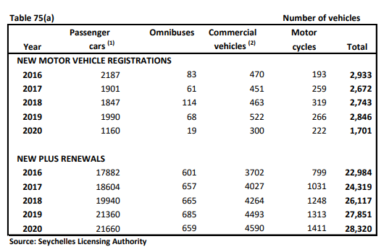
 | Gasoline used by road vehicles |  | 13,966 | 14,768 | 15,008 | 15,428 | 17,542 | 19,726 | 20,315 | 22,715 | 22,714 | 23,813 | 21,711 | 21,186 |  |  | 6.1%

 | Gasoil | TOE | 14,708 | 12,858 | 12,575 | 12,479 | 12,028 | 13,227 | 14,368 | 14,936 | 14,602 | 15,096 | 14,446 | 12,899 |  |  | 0.3%
 | Gasoline |  | 14,943 | 15,801 | 16,059 | 16,508 | 18,770 | 21,107 | 21,737 | 24,305 | 24,304 | 25,480 | 23,231 | 22,669 |  | 63% | 6.1%
 | Sub-total for Road Transports |  | 29,651 | 28,659 | 28,634 | 28,987 | 30,798 | 34,333 | 36,105 | 39,242 | 38,906 | 40,576 | 37,677 | 35,568 |  |  | 3.5%
 | Share of the road transport in the transport sector |  | 86% | 85% | 85% | 85% | 85% | 86% | 86% | 86% | 83% | 84% | 90% | 89%
 | Gasoil | kTOE | 14.7 | 12.9 | 12.6 | 12.5 | 12.0 | 13.2 | 14.4 | 14.9 | 14.6 | 15.1 | 14.4 | 12.9
 | Gasoline |  | 14.9 | 15.8 | 16.1 | 16.5 | 18.8 | 21.1 | 21.7 | 24.3 | 24.3 | 25.5 | 23.2 | 22.7 |  | 8,139
 | Sub-total for Road Transports |  | 29.65 | 28.66 | 28.63 | 28.99 | 30.80 | 34.33 | 36.10 | 39.24 | 38.91 | 40.58 | 37.68 | 35.57 |  | 1,156
 |  |  |  |  |  |  |  |  |  |  |  |  |  |  |  | 9,295
 | Gasoil | million L | 16.86 | 14.74 | 14.41 | 14.30 | 13.79 | 15.16 | 16.47 | 17.12 | 16.74 | 17.30 | 16.56 | 14.78
 | Gasoline |  | 19.21 | 20.31 | 20.64 | 21.22 | 24.13 | 27.13 | 27.94 | 31.25 | 31.24 | 32.76 | 29.86 | 29.14

AIR TRANSPORT |  |  |  |  |  |  |  |  |  |  |  |  |  |  |  |  | 12,641
 | Domestic Air Jet A-1 | MT | 2,119 | 2,036 | 1,978 | 2,007 | 2,045 | 2,281 | 2,290 | 2,504 | 3,856 | 3,456 | 1,516 | 1,756 |  | 2,457 | 10,746
 |  | TOE | 2,256 | 2,169 | 2,107 | 2,137 | 2,178 | 2,430 | 2,438 | 2,667 | 4,107 | 3,681 | 1,615 | 1,870 |  |  | 3.45% | 8%
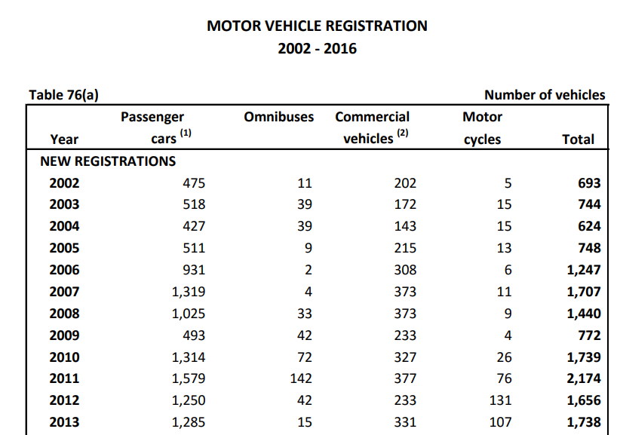
MARINE TRANSPORT |  |  |  |  |  |  |  |  |  |  |  |  |  |  |  |  | 10,522
 | Passenger & Freight Gasoil | MT | 2,600 | 2,696 | 2,792 | 2,888 | 3,035 | 3,178 | 3,322 | 3,466 | 3,609 | 3,753 | 2,387 | 2,228 |  |  |  | 4.16%
 |  | TOE | 2,691 | 2,790 | 2,890 | 2,989 | 3,141 | 3,289 | 3,438 | 3,587 | 3,736 | 3,885 | 2,471 | 2,306

TRANSPORTS (ROAD, AIR, MARINE) |  | TOE | 34,598 | 33,618 | 33,631 | 34,114 | 36,117 | 40,052 | 41,981 | 45,495 | 46,749 | 48,141 | 41,762 | 39,744 |  |  | 10,210 | 3.74% | 5.92%
Share of the Transports sector in the FEC |  |  | 48% | 45% | 43% | 42% | 43% | 45% | 44% | 45% | 45% | 46% | 43% | 41%

RESIDENTIAL |  |  |  |  |  |  |  |  |  |  |  |  |  |  |  |  | 9,674
 | LPG for cooking | TOE | 3,439 | 3,465 | 3,209 | 3,293 | 3,379 | 3,467 | 3,558 | 3,651 | 3,816 | 3,916 | 4,033 | 3,946
 | Kerosene for cooking |  | 3.7 | 3.5 | 3.6 | 3.6 | 3.7 | 3.7 | 3.7 | 3.8 | 3.8 | 3.8 | 3.9 | 3.9 | derived from a simple model in the Energ Balance for 2019
 | Solar Thermal for water heating |  | 72 | 68 | 69 | 70 | 71 | 72 | 72 | 73 | 74 | 74 | 75 | 76 | derived from a simple model in the Energ Balance for 2020
 | Charcoal & woodfuel for cooking |  | 56 | 53 | 54 | 55 | 56 | 56 | 56 | 57 | 57 | 58 | 59 | 59 | derived from a simple model in the Energ Balance for 2021
 | Electricity |  | 7,028 | 7,228 | 7,414 | 7,656 | 8,035 | 8,458 | 9,617 | 10,286 | 10,861 | 11,572 | 12,126 | 11,932
 | FEC for Residential sector |  | 10,599 | 10,818 | 10,750 | 11,078 | 11,545 | 12,057 | 13,307 | 14,070 | 14,812 | 15,624 | 16,296 | 16,017 |  | 2.6% | 6.7% | 5.3%
 | Share of the Residential sector in the FEC |  | 15% | 14% | 14% | 14% | 14% | 13% | 14% | 14% | 14% | 15% | 17% | 17%

 | No. Households |  | 24,770 | 24,135 | 24,383 | 24,839 | 25,228 | 25,797 | 26,144 | 26,466 | 26,786 | 26,958 | 27,190 | 27,313
 | No. Houses |  | 23,770
 | Average size of household | persons | 3.62 | 3.62 | 3.62 | 3.62 | 3.62 | 3.62 | 3.62 | 3.62 | 3.62 | 3.62 | 3.62 | 3.62
 | No. Domestic Consumers in PUC |  | 25,906 | 26,694 | 27,476 | 28,128 | 28,727 | 29,422 | 30,386 | 31,419 | 32,278 | 32,867 | 34,464 |  | data for 2019 was estimated or extrapolated
 | Average electricity consumption per consumer | kWh/yr | 3,155 | 3,148 | 3,138 | 3,165 | 3,252 | 3,343 | 3,680 | 3,807 | 3,913 | 4,094 | 4,091
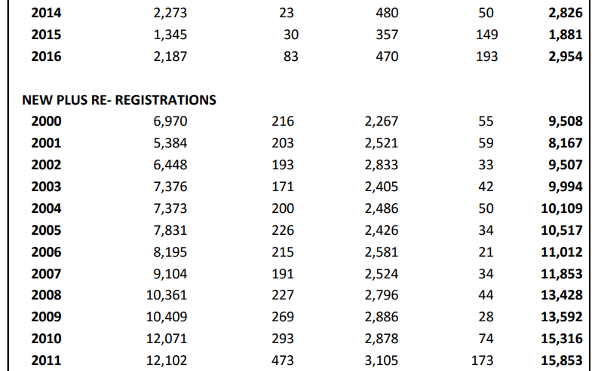
 |  | kWh/mth | 263 | 262 | 261 | 264 | 271 | 279 | 307 | 317 | 326 | 341 | 341

INDUSTRY |  |  | 2010 | 2011 | 2012 | 2013 | 2014 | 2015 | 2016 | 2017 | 2018 | 2019 | 2020 | 2021
 | LPG for cooking | MT | 198 | 213 | 215 | 221 | 226 | 228 | 232 | 241 | 250 | 255 | 249 | 258 | It is assumed that Industry consumes 5% of total sales (Ref meeting with Seypec in 2014..)
 | Fuel Oil (HFO) for steam boilers |  | 4,042 | 3,973 | 4,208 | 4,272 | 4,537 | 4,816 | 5,094 | 5,127 | 4,519 | 4,081 | 4,562 | 4,453 |  |  |  |  |  |  |  |  |  |  |  |  |  |  |  |  |  | No. Of Road |  | New veh
 | Gasoil used by equipment |  | 2,150 | 2,324 | 2,497 | 2,671 | 2,845 | 3,018 | 3,192 | 3,366 | 3,539 | 3,713 | 3,026 | 2,474 |  |  |  |  |  |  |  |  |  |  |  |  |  |  |  |  | Year | Vehicles | growth veh/yr.
 |  |  |  |  |  |  |  |  |  |  |  |  |  |  |  |  |  |  |  |  |  |  |  |  |  |  |  |  |  |  | 2009 | 13592
 | LPG for cooking | TOE | 224 | 240 | 243 | 249 | 255 | 258 | 262 | 272 | 283 | 288 | 281 | 291 |  |  |  |  |  |  |  |  |  |  |  |  |  |  |  |  | 2010 | 15316 | 1724
 | Fuel Oil (HFO) for steam boilers |  | 3,880 | 3,814 | 4,039 | 4,101 | 4,356 | 4,623 | 4,891 | 4,922 | 4,338 | 3,918 | 4,380 | 4,275 | There should not be any steam boiler using gasoil except for starting only, HFO is the fuel for boilers |  |  |  |  |  |  |  |  |  |  |  |  |  |  |  | 2011 | 15853 | 537
 | Gasoil used by equipment |  | 2,225 | 2,405 | 2,585 | 2,764 | 2,944 | 3,124 | 3,304 | 3,483 | 3,663 | 3,843 | 3,132 | 2,561 |  |  |  |  |  |  |  |  |  |  |  |  |  |  |  |  | 2012 | 16570 | 717
 |  |  |  |  |  |  |  |  |  |  |  |  |  |  |  |  |  |  |  |  |  |  |  |  |  |  |  |  |  |  | 2013 | 18606 | 2036
 | Electricity | TOE | 2,692 | 3,127 | 3,783 | 4,059 | 4,207 | 4,349 | 4,846 | 4,955 | 5,399 | 5,536 | 5,368 | 5,430 |  |  |  |  |  |  |  |  |  |  |  |  |  |  |  |  | 2014 | 20291 | 1685
 | FEC for Industrial sector | TOE | 9,022 | 9,586 | 10,650 | 11,174 | 11,763 | 12,354 | 13,303 | 13,633 | 13,683 | 13,585 | 13,160 | 12,557 |  |  | 6.1% |  |  |  |  |  |  |  |  |  |  |  |  |  | 2015 | 20428 | 137
 | Share of the Industrial sector in FEC |  | 12% | 13% | 14% | 14% | 14% | 14% | 14% | 13% | 13% | 13% | 14% | 13% |  |  |  |  |  |  |  |  |  |  |  |  |  |  |  |  | 2016 | 22984 | 2556 | 2933
 |  |  |  |  |  |  |  |  |  |  |  |  |  |  |  |  |  |  |  |  |  |  |  |  |  |  |  |  |  |  | 2017 | 24319 | 1335 | 2672
 |  |  |  |  |  |  |  |  |  |  |  |  |  |  |  |  |  |  |  |  |  |  |  |  |  |  |  |  |  |  | 2018 | 26117 | 1798 | 2743
SERVICE | LPG for cooking | MT | 727 | 972 | 1,247 | 1,280 | 1,297 | 1,270 | 1,261 | 1,341 | 1,379 | 1,383 | 1,153 | 1,403 | provide an assumption or a formula used for estimation |  |  |  |  |  |  |  |  |  |  |  |  |  |  |  | 2019 | 27851 | 1734 | 2846
 | Gasoil used by vehicles in public services |  | 746 | 787 | 828 | 869 | 910 | 950 | 991 | 1,032 | 1,073 | 1,117 | 3,740 | 3,485 |  |  |  |  |  |  |  |  |  |  |  |  |  |  |  |  | 2020 | 28320 | 469 | 1701

 | LPG for cooking | TOE | 822 | 1,098 | 1,409 | 1,446 | 1,465 | 1,435 | 1,425 | 1,516 | 1,559 | 1,563 | 1,303 | 1,586
 | Gasoil used by vehicles in public services |  | 772 | 814 | 857 | 899 | 941 | 984 | 1,026 | 1,068 | 1,111 | 1,156 | 3,871 | 3,607

Final Energy Consumption by Sector
 | Kerosene | TOE | 129 | 96 | 84 | 64 | 60 | 57 | 73 | 60 | 98 | 60 | 26 | 20
 | Solar Thermal | TOE | NA | NA | NA | NA | NA | NA | NA | NA | NA | NA | NA | NA | has not been estimated but deemed negligible
 | Cooking Charcoal & woodfuel | TOE | NA | NA | NA | NA | NA | NA | NA | NA | NA | NA | NA | NA | has not been estimated but deemed negligible

 | Electricity | TOE | 15,388 | 17,363 | 19,503 | 20,528 | 20,624 | 21,043 | 23,073 | 23,719 | 23,149 | 24,293 | 20,643 | 22,922
 | FEC for Service sector | TOE | 17,111 | 19,371 | 21,853 | 22,937 | 23,090 | 23,519 | 25,598 | 26,363 | 25,916 | 27,071 | 25,843 | 28,135 |  |  | 5.2%
 | Share of the Service sector in FEC |  | 24% | 26% | 28% | 28% | 27% | 26% | 27% | 26% | 25% | 25% | 27% | 29%

Agriculture |  |  | 2010 | 2011 | 2012 | 2013 | 2014 | 2015 | 2016 | 2017 | 2018 | 2019 | 2020 | 2021
 | Kerosene for Heating in Agro | MT | 0 | 0 | 0 | 0 | 0 | 0 | 0 | 0 | 0 | 0 | 0 | 0
 | HFO for heating in Agro | MT | 0 | 0 | 0 | 0 | 0 | 0 | 0 | 0 | 0 | 0 | 0 | 0
 | Gasoil for Fishing boat Diesel (5% of sales from Service stations) | MT | 632 | 540 | 526 | 510 | 491 | 551 | 608 | 635 | 617 | 653 | 627 | 554
 | Gasoil sold by SFA for Fishing boats | MT | 800 | 874 | 948 | 1,022 | 1,095 | 1,169 | 1,243 | 1,317 | 1,391 | 1,538 | 1,332 | 1,639 |  | TB-Gasoil & Seypec for 2018-2019
 | Sub-total | MT | 1,432 | 1,414 | 1,474 | 1,532 | 1,586 | 1,720 | 1,851 | 1,952 | 2,008 | 2,192 | 1,959 | 2,193
 |  | TOE | 1,482 | 1,463 | 1,525 | 1,586 | 1,642 | 1,780 | 1,916 | 2,021 | 2,078 | 2,268 | 2,028 | 2,270

TOTAL FOR ALL FINAL FUEL CONSUMPTION IN ALL SECTORS |  | TOE | 47,632 | 47,071 | 47,640 | 48,576 | 51,219 | 55,840 | 58,496 | 62,549 | 63,756 | 65,215 | 60,878 | 58,362

FINAL ENERGY CONSUMPTION BY SECTOR
 |  |  | 2010 | 2011 | 2012 | 2013 | 2014 | 2015 | 2016 | 2017 | 2018 | 2019 | 2020 | 2021
 | Sector
 | ROAD TRANSPORTS | TOE | 29,651 | 28,659 | 28,634 | 28,987 | 30,798 | 34,333 | 36,105 | 39,242 | 38,906 | 40,576 | 33,759 | 32,613
 | MARINE TRANSPORTS |  | 2,691 | 2,790 | 2,890 | 2,989 | 3,141 | 3,289 | 3,438 | 3,587 | 3,736 | 3,885 | 3,155 | 3,353
 | AIR TRANSPORTS |  | 2,256 | 2,169 | 2,107 | 2,137 | 2,178 | 2,430 | 2,438 | 2,667 | 4,107 | 3,681 | 1,672 | 1,964
 | SERVICE |  | 17,111 | 19,371 | 21,853 | 22,937 | 23,090 | 23,519 | 25,598 | 26,363 | 25,916 | 27,071 | 27,149 | 28,100
 | RESIDENTIAL |  | 10,599 | 10,818 | 10,750 | 11,078 | 11,545 | 12,057 | 13,307 | 14,070 | 14,812 | 15,624 | 16,295 | 16,014
 | INDUSTRY |  | 9,022 | 9,586 | 10,650 | 11,174 | 11,763 | 12,354 | 13,303 | 13,633 | 13,683 | 13,585 | 13,258 | 12,585
 | AGRICULTURE & FISHING |  | 1,482 | 1,463 | 1,525 | 1,586 | 1,642 | 1,780 | 1,916 | 2,021 | 2,078 | 2,268 | 1,885 | 2,195
 | TOTAL VENTILATED FEC |  | 72,812 | 74,857 | 78,409 | 80,889 | 84,157 | 89,762 | 96,104 | 101,581 | 103,239 | 106,691 | 97,172 | 96,824
Final Energy Consumption in 2018
 | TRANSPORTS | kTOE | 34.6 | 33.6 | 33.6 | 34.1 | 36.1 | 40.1 | 42.0 | 45.5 | 46.7 | 48.1 | 38.6 | 37.9
 | RESIDENTIAL |  | 10.6 | 10.8 | 10.7 | 11.1 | 11.5 | 12.1 | 13.3 | 14.1 | 14.8 | 15.6 | 16.3 | 16.0
 | SERVICE |  | 17.1 | 19.4 | 21.9 | 22.9 | 23.1 | 23.5 | 25.6 | 26.4 | 25.9 | 27.1 | 27.1 | 28.1
 | INDUSTRY |  | 9.0 | 9.6 | 10.6 | 11.2 | 11.8 | 12.4 | 13.3 | 13.6 | 13.7 | 13.6 | 13.3 | 12.6
 | AGRICULTURE & FISHING |  | 1.5 | 1.5 | 1.5 | 1.6 | 1.6 | 1.8 | 1.9 | 2.0 | 2.1 | 2.3 | 1.9 | 2.2
 | TOTAL VENTILATED FEC |  | 72.8 | 74.9 | 78.4 | 80.9 | 84.2 | 89.8 | 96.1 | 101.6 | 103.2 | 106.7 | 97.2 | 96.8

VENTILATED CONSUMPTION OF FUEL
 | FUELOIL |  | 55,814 | 64,879 | 69,393 | 71,065 | 72,346 | 74,886 | 80,995 | 82,734 | 83,645 | 87,082
 | GASOIL |  | 47,114 | 43,535 | 43,018 | 43,004 | 42,656 | 45,870 | 47,937 | 49,615 | 49,799 | 53,649
 | GASOLINE |  | 13,966 | 14,768 | 15,008 | 15,428 | 17,542 | 19,726 | 20,315 | 22,715 | 22,714 | 23,813
 | LPG |  | 3,970 | 4,251 | 4,302 | 4,415 | 4,513 | 4,566 | 4,642 | 4,813 | 5,007 | 5,103
 | JET A-1 |  | 2,119 | 2,036 | 1,978 | 2,007 | 2,045 | 2,281 | 2,290 | 2,504 | 3,856 | 3,456
 | AVGAS

CHECK & BALANCE FOR FUEL (Statistical Difference)
 | FUELOIL |  | (1,301) | 492 | (1,293) | 160 | 181 | 193 | 204 | 205 | 531 | (571) |  |  | ok
 | GASOIL |  | 1,711 | 2,465 | (77) | 1,359 | 2,036 | 1,467 | 1,284 | 1,100 | 2,692 | 2,195
 | GASOLINE |  | - | - | - | - | - | - | - | - | - | - |  |  | ok
 | LPG |  | - | - | - | - | - | - | - | - | - | - |  |  | ok
 | JET A-1 |  | - | - | - | - | - | - | - | - | - | (0)
 | AVGAS |  | 127 | 95 | 84 | 65 | 61 | 58 | 74 | 61 | 97 | 61

 |  |  |  |  | 86.2 | 89.0 | 93.4 | 98.4 | 111.8 | 119.6 | 126.3 | 134.6 | 141.0 | 138.7
 |  |  |  |  | 162.9 | 174.8 | 181.2 | 187.3 | 208.7 | 213.4 | 212.3 | 217.3 | 210.0 | 207.3
 |  |  |  | gov | 37.0 | 39.7 | 36.3 | 37.4 | 44.0 | 47.4 | 46.3 | 47.3 | 49.8 | 55.5
 |  |  |  | str lights | 1.1 | 1.2 | 1.2 | 1.2 | 1.4 | 1.2 | 1.1 | 1.1 | 1.1 | 1.0
 |  |  |  | bbc | 2.4 | 2.1 | 0.5 | - | - | - | - | - | - | -
PUC |  |  |  |  | 37.0 | 39.7 | 36.2 | 37.4 | 44.0 | 47.2 | 46.3 | - | - | -
Breakdown of consumption & |  | Units
customer data |  | Gwh
Electricty sales by customer category |  |  |  |  | 2012 | 2013 | 2014 | 2015 | 2016 | 2017 | 2018 | 2019 | 2020 | 2021

Domestic |  |  |  |  | 86.20 | 89.02 | 93.43 | 98.35 | 111.82 | 119.72 | 126.29
Commercial/Industrial |  |  |  |  | 165.41 | 176.86 | 181.67 | 187.28 | 208.71 | 213.40 | 212.3
Government |  |  |  |  | 20.43 | 21.40 | 21.59 | 23.55 | 25.48 | 25.87 | 25.56
Public Lighting |  |  |  |  | 1.14 | 1.24 | 1.22 | 1.12 | 1.36 | 1.17 | 1.06
PUC |  |  |  |  | 16.58 | 18.30 | 14.65 | 13.85 | 18.51 | 21.33 | 20.79

Total Consumption |  |  |  |  | 289.76 | 306.82 | 312.56 | 324.15 | 365.88 | 381.49 | 386.00

Share of each sector in total Electricty sales
Domestic |  |  |  |  | 29.7% | 29.0% | 29.9% | 30.3% | 30.6% | 31.4% | 32.7%
Commercial/Industrial |  |  |  |  | 57.1% | 57.6% | 58.1% | 57.8% | 57.0% | 55.9% | 55.0%
Government |  |  |  |  | 7.1% | 7.0% | 6.9% | 7.3% | 7.0% | 6.8% | 6.6%
Public Lighting |  |  |  |  | 0.4% | 0.4% | 0.4% | 0.3% | 0.4% | 0.3% | 0.3%
PUC |  |  |  |  | 5.7% | 6.0% | 4.7% | 4.3% | 5.1% | 5.6% | 5.4%

CO2 EMISSION

 | Year |  | 2010 | 2011 | 2012 | 2013 | 2014 | 2015 | 2016 | 2017 | 2018 | 2019 | 2020 | 2021 |  | AAGR | Index |  |  |  | IPCCC Method for estimating CO2 emissions from combustion
 | Total CO2 Emission from ALL sectors | Gg | 392.0 | 411.9 | 425.1 | 432.3 | 442.5 | 468.7 | 496.6 | 516.3 | 524.9 | 550.5 | 502.7 | 508.4 |  | 3.85% | 140
 |  |  | 391,996 | 411,934 | 425,142 | 432,332 | 442,482 | 468,686 | 496,587 | 516,254 | 524,855 | 550,501 | 502,654 | 508,440
ELECTRICITY GENERATION - CO2 EMISSION |  |  |  |  |  |  |  |  |  |  |  |  |  |  |  | 3.85% | 140 |  |  |  |  |  |  | Unit | HFO | Gasoil | Jet A-1 | LPG | Gasoline | Lub. Oil
 | CO2 Emissions from Electricity Generation (PUC) | MT | 208,799 | 222,084 | 232,916 | 236,680 | 238,538 | 250,392 | 269,682 | 276,849 | 281,558 | 296,152 | 290,987 | 286,183 |  |  |  |  |  |  | Fraction of carbon stored (FCS) |  |  | - | 0 | 0 | 0 | 0 | 0
 | HFO | MT | 159,868 | 187,975 | 201,175 | 206,133 | 209,292 | 216,287 | 234,271 | 239,527 | 244,127 | 256,002 | 256,714 | 252,843 |  | 336,841 |  |  |  |  | Fraction of carbon oxidised (FCO) |  |  | - | 0.99 | 0.99 | 0.99 | 0.99 | 0.99 | 0.5
 | LFO | MT | 48,535 | 33,639 | 31,356 | 30,104 | 28,894 | 33,685 | 35,013 | 36,962 | 37,077 | 39,767 | 33,824 | 33,340 |  |  |  |  |  |  | Carbon emission Factor (CEF) |  |  | t C/TJ | 21.1 | 20.2 | 19.5 | 17.2 | 18.9 | 19.8
 | Lubricants | MT | 396.43 | 469.28 | 385.53 | 443.07 | 351.71 | 419.56 | 398.13 | 358.81 | 353.69 | 383.29 | 449.50 | - |  |  |  |  |  |  | Net Calorific Value (NCV) |  |  | TJ/1000 t | 40.19 | 43.33 | 44.59 | 47.31 | 44.8 | 40.19
 | Wind | MT |  |  |  | 0.00 | 0.00 | 0.00 | 0.00 | 0.00 | 0.00 | 0.00 | 0.00 | 0.00 |  |  |  |  |  |  | Carbon dioxide emission factor |  |  | tCO2/TJ | 76.593 | 73.326 | 70.785 | 62.436 | 68.607 | 36.30
 | Solar PV | MT |  |  |  |  | 0.00 | 0.00 | 0.00 | 0.00 | 0.00 | 0.00 | 0.00 | 0.00 |  |  |  |  |  |  | Volumetric weight of fuel |  |  | kg/l | 0.943 | 0.843 | 0.784 |  | 0.727
 | Carbon Intensity of elec generation | g CO2/kWh | 693.6 | 685.8 | 692.1 | 668.2 | 658.1 | 663.1 | 658.3 | 653.2 | 658.1 | 661.7 | 658.6 | 646.4 |  |  |  |  |  |  | CO2 emission per ton |  |  | tCO2/t | 3.078 | 3.177 | 3.156 | 2.954 | 3.074
 | Carbon Intensity of elec consumption | g CO2/kWh | 802.1 | 793.8 | 804.0 | 771.4 | 763.1 | 772.3 | 737.1 | 725.5 | 729.4 | 739.8 | 724.0 | 712.5 |  |  |  |  |  |  | CO2 emission per litre |  |  | kgCO2/L | 2.903 | 2.678 | 2.475 |  | 2.235
 |  |  |  |  |  |  |  |  |  |  |  |  |  |  |  |  |  |  |  |  | Energy content of 1 litre of fuel |  |  | TJ/L | 3.789917E-05 | 3.652719E-05 | 3.495856E-05 |  | 3.25696E-05
SERVICE SECTOR - CO2 EMISSION
Primary Energy (TOE) vs. CO2 emission from energy (MT)
 | CO2 Emissions from Service |  | 46,776 | 56,207 | 57,784 | 58,647 | 59,462 | 60,147 | 60,888 | 61,890 | 62,767 | 69,670 | 47,062 | 65,309
 | Auto-producers of Electricity in hotels & industries | MT | 42,257 | 50,835 | 51,471 | 52,106 | 52,742 | 53,377 | 54,013 | 54,648 | 55,284 | 62,037 | 31,772 | 50,092 | should not be accounted in national electricity generation but in the sectors where the auto-producers operate according to CRF (common reporting format)
 | LPG - for cooking | MT | 2,148 | 2,871 | 3,683 | 3,780 | 3,831 | 3,750 | 3,726 | 3,963 | 4,074 | 4,085 | 3,407 | 4,145
Carbon Intensity vs. Share of RE in elec generation
 | Road vehicles in hotels /government | MT | 2,370 | 2,500 | 2,630 | 2,760 | 2,890 | 3,020 | 3,150 | 3,280 | 3,410 | 3,549 | 11,883 | 11,073
 | Carbon intensity of auto-producers | g CO2/kWh | 765.2 | 765.2 | 765.2 | 765.2 | 765.2 | 765.2 | 765.2 | 765.2 | 765.2 | 765.2 | 765.2 | 765.2
 | Share of Auto-producers in CO2 emission from elec generation |  | 17% | 19% | 18% | 18% | 18% | 18% | 17% | 16% | 16% | 17% | 10% | 15%

TRANSPORT SECTOR - CO2 EMISSION
 | CO2 Emissions from Transport |  | 103,022 | 99,853 | 99,848 | 101,240 | 106,936 | 118,530 | 124,327 | 134,582 | 138,278 | 142,366 | 123,447 | 117,336
 | Road transport - Gasoline | MT | 42,925 | 45,390 | 46,129 | 47,419 | 53,917 | 60,629 | 62,439 | 69,817 | 69,814 | 73,191 | 66,731 | 65,117
 | Road transport - Gasoil |  | 45,149 | 39,470 | 38,603 | 38,309 | 36,923 | 40,603 | 44,107 | 45,851 | 44,825 | 46,342 | 44,347 | 39,597
 | Maritime transport |  | 8,261 | 8,566 | 8,872 | 9,177 | 9,641 | 10,098 | 10,555 | 11,011 | 11,468 | 11,925 | 7,584 | 7,079
 | Air Transport |  | 6,687 | 6,427 | 6,244 | 6,335 | 6,455 | 7,200 | 7,226 | 7,903 | 12,171 | 10,908 | 4,785 | 5,542

INDUSTRIAL SECTOR-CO2 EMISSION
 | CO2 Emissions from Industry |  | 19,859 | 20,241 | 21,522 | 22,289 | 23,672 | 25,089 | 26,509 | 27,187 | 25,895 | 25,113 | 24,391 | 22,329
 | LPG for cooking |  | 586 | 628 | 635 | 652 | 667 | 674 | 686 | 711 | 740 | 754 | 734 | 761
 | Fuel Oil (HFO) for steam boilers |  | 12,441 | 12,230 | 12,952 | 13,150 | 13,968 | 14,825 | 15,682 | 15,782 | 13,911 | 12,562 | 14,043 | 13,708
 | Gasoil used by equipment (tractors, forklift, roadvehicles) |  | 6,831 | 7,383 | 7,935 | 8,486 | 9,038 | 9,590 | 10,142 | 10,693 | 11,245 | 11,797 | 9,614 | 7,860
 | LFO for elec generation (IOT)

RESIDENTIAL COMBUSTION -CO2 EMISSION
 | CO2 Emissions from Residential |  | 8,990.7 | 9,057.3 | 8,389.7 | 8,608.7 | 8,833.4 | 9,064.0 | 9,300.5 | 9,543.3 | 9,976.2 | 10,236.2 | 10,542.3 | 10,314.8
 | Residential - LPG for cooking |  | 8,991 | 9,057 | 8,390 | 8,609 | 8,833 | 9,064 | 9,301 | 9,543 | 9,976 | 10,236 | 10,542 | 10,315
 | Residential - Kerosene for cooking

AGRICULTURE & FISHING SECTOR
 | CO2 Emissions from Agriculture & Fishing |  | 4,549.9 | 4,492.5 | 4,682.7 | 4,867.8 | 5,039.7 | 5,464.6 | 5,880.2 | 6,203.2 | 6,380.3 | 6,963.4 | 6,224.3 | 6,968.0
 | Fishing boats - LFO |  | 4,550 | 4,492 | 4,683 | 4,868 | 5,040 | 5,465 | 5,880 | 6,203 | 6,380 | 6,963 | 6,224 | 6,968 |  | Source Category | 2018
 | Farming - HFO |  |  |  |  |  |  |  |  |  |  |  |  |  |  | Elec gen by PUC | 332,678 | 336,841

EMISSION INDICATORS |  |  |  |  |  |  |  |  |  |  |  |  |  |  |  | Elec gen by Auto-producers
 |  |  |  |  |  |  |  |  |  |  |  |  |  |  |  | Transport | 143,020 | 138,278
 | Carbon Intensity of PUC elec generation (MT CO2/GWh or g CO2/kWh) |  | 693.6 | 685.8 | 692.1 | 668.2 | 658.1 | 663.1 | 658.3 | 653.2 | 658.1 | 661.7 | 658.6 | 646.4 |  | Industry | 19,710 | 25,895

 | Carbon Intensity of the Primary Energy Supply | tCO2/TOE | 3.3 | 3.1 | 3.2 | 3.1 | 3.2 | 3.2 | 3.2 | 3.2 | 3.2 | 3.1 | 3.3 | 3.2 |  | Residential | 12,540 | 9,976
 |  |  |  |  |  |  |  |  |  |  |  |  |  |  |  | Artisanal Fishing | 8,520 | 6,380
 |  |  |  | Domestic Primary Consumption |  |  |  | MT |  |  |  |  |  |  |  | Service | 3,340 | 7,484
 |  |  |  |  |  |  |  |  |  |  |  |  |  |  |  | Total | 519,808 | 524,855
 |  |  | 2010 | 2011 | 2012 | 2013 | 2014 | 2015 | 2016 | 2017 | 2018 | 2019 | 2020 | 2021
 |  | GASOIL | 48,825 | 46,000 | 42,941 | 44,363 | 44,692 | 47,337 | 49,220 | 50,715 | 52,490 | 55,844 | 46,213 | 48,034
 |  | FUEL OIL | 54,513 | 65,371 | 68,100 | 71,225 | 72,527 | 75,078 | 81,199 | 82,939 | 84,175 | 86,511 | 88,555 | 85,787
 |  | GASOLINE | 13,966 | 14,768 | 15,008 | 15,428 | 17,542 | 19,726 | 18,855 | 22,715 | 22,714 | 23,813 | 21,711 | 21,186
 |  | JET A-1 | 2,119 | 2,036 | 1,978 | 2,007 | 2,045 | 2,281 | 2,290 | 2,504 | 3,856 | 3,456 | 1,516 | 1,756
 |  | LPG | 3,970 | 4,251 | 4,302 | 4,415 | 4,535 | 4,656 | 4,776 | 4,897 | 5,017 | 5,103 | 4,649 | 4,727
 |  | KEROSENE | 127 | 95 | 84 | 65 | 61 | 58 | 74 | 61 | 98 | 61 | 46 | 38
 |  | AVGAS | 26.2 | 4.4 | 28.2 | 25.0 | 31.4 | 26.1 | 27.9 | 3.8 | 7.0 | 7.3 | 53.3 | 88.0
 |  | TOTAL | 123,546 | 132,525 | 132,441 | 137,527 | 141,434 | 149,162 | 156,442 | 163,835 | 168,358 | 174,795 | 162,743 | 161,616
 |  | AAGR |  |  |  |  | 3.9%

Domestic Primary Demand of Petroleum Fuel In 2010-2019

Structures
Total Electricity Generation in Seychelles in 2018 - 495 GWh
 | Total Elec Generation
Fuel Oil & Gasoil | 416.896
Wind | 7.392
Solar PV | 3.535
Total for PUC | 67.262
Auto-producers
Fuel Oil & Gasoil
Wind
Solar PV
Auto-producers
Total Electricity Generation in Seychelles in 2019 - 529 GWh
 | Total Elec Generation
Fuel Oil & Gasoil | 439.011
Wind | 4.884
Solar PV | 4.033
Auto-producers | 81.070
Structure of Total Electricity Generation

Structure of Electricity Generation in 2019
 | Structure of Total Electricity Generation
Fuel Oil & Gasoil | 439.011
Wind | 4.884
Solar PV | 4.033
 | 81.070
 | Year | 2018 |  | 2019
 |  | GWh | % | GWh | %
 | Fuel Oil & Gasoil | 416.9 | 84.2% | 439.0 | 83.0%
 | Wind | 7.392 | 1.5% | 4.884 | 0.9%
 | Solar PV | 3.535 | 0.7% | 4.033 | 0.8%
 | Total for PUC | 427.8 | 86.4% | 447.9 | 85%

 | Auto-producers | 67.3 | 13.6% | 81.1 | 15%

 | Total Elec Generation | 495.09 | 100.0% | 529.00 | 100%

Structure of Electricity Consumption in 2018 (PUC only)
Structure of Electricity Consumption - PUC

Structure of Electricity Consumption - PUC in 2019
 | Electricity Consumption by Sector in 2018
 | Unit: GWh
 |  | Year 2018 |  | Year 2019
 | Industry & Commerce | 212.30 | 55.0% | 217.31 | 54.3%
 | Residential | 126.29 | 32.7% | 134.56 | 33.6%
 | Government | 46.35 | 12.0% | 47.33 | 11.8%
 | Street Lights | 1.06 | 0.3% | 1.14 | 0.3%
 | Total | 386.0 | 100.0% | 400.3 | 100%

 | Industry 27% of Ind&Com | 57.32 |  | 58.67
 | Commerce | 154.98 |  | 158.64

 | Service sector | 2018 | 2019
 | Commerce | 154.98 | 0.40
 | Auto-producers in Com | 50.75
 | Government (incl. PUC) | 46.35
 | Street Lights | 1.06
 | Total | 253.14

 | Industrial sector
 | Industry | 57.32
 | Auto-producers in Ind | 21.75
 | Total | 79.07

 | Complete Electricity Consumption by Sector in 2018
 | Unit: GWh

 | Standard Sector | GWh | Share
 | SERVICE | 253.14 | 55.2%
 | RESIDENTIAL | 126.29 | 27.5%
 | INDUSTRIAL | 79.07 | 17.2%
 | TOTAL | 458.50 | 100.0%

 | FINAL ENERGY CONSUMPTION BY SECTOR
TRANSPORTS | 48.1
RESIDENTIAL | 15.6
SERVICE | 27.1
INDUSTRY | 13.6
AGRICULTURE & FISHING | 2.3
Final Energy Consumption in the Residential Sector

 | Electricity |  | 11,572 | 74.1%
 | LPG |  | 3,916 | 25.1%
 | Solar Hot Water |  | 74 | 0.5%
 | Charcoal & woodfuel for cooking |  | 58 | 0.4%
 | Kerosene for cooking |  | 3.8 | 0.0%
 | Sub-total |  | 15,624 | 100.0%
 | National FEC |  | 106,691 | 14.6%

Final Energy Consumption in the Industrial Sector

Electricity | Electricity |  | 5,536 | 41%
Fuel Oil | Fuel Oil (HFO) for steam boilers |  | 3,918 | 29%
Gasoil | Gasoil for construction equipment |  | 3,843 | 28%
LPG | LPG |  | 288 | 2%
 | Sub-total |  | 13,585 | 100%
 | National FEC |  | 106,691 | 13%

Final Energy Consumption in the Service Sector
 | Electricity |  | 24,292.6 | 90%
 | LPG |  | 1,562.6 | 6%
 | Gasoil |  | 1,156.09 | 4%
 | Kerosene |  | 60 | 0%
 | Sub-total |  | 27,071 | 100%
 | National FEC |  | 106,691 | 0.254

Final Energy Consumption in the Road Transport Sector

 | RATIO OF FUEL CONSUMPTION
 | GASOIL | 15.1
 | GASOLINE | 25.5
 |  | 40.6

FUEL CONSUMPTION IN THE TRANSPORT SECTOR

Final Energy Consumption in the Transport Sector

 | ROAD TRANSPORT | 40,576 | 84%
 | MARINE TRANSPORT | 3,885 | 8%
 | AIR TRANSPORT | 3,681 | 8%
 |  | 48,141
 | National FEC | 106,691 | 45%

Charts-ELECTRICITY
ELECTRICITY
Total Electricity Generation
 | HFO&LFO | Wind | Solar PV
2010 | 301.0
2011 | 323.8
2012 | 336.5
2013 | 347.3 | 7.0
2014 | 354.9 | 7.1 | 0.5
2015 | 369.3 | 6.8 | 1.5
2016 | 400.5 | 6.9 | 2.3
2017 | 414.2 | 6.6 | 3.0
2018 | 416.9 | 7.4 | 3.5
2019 | 437.8 | 5.7 | 4.0
2020 | 430.1 | 6.0 | 5.7
Electricity Generation from Renewable Energy
 | Wind | Solar PV
2010
2011
2012
2013 | 7.0
2014 | 7.1 | 0.5
2015 | 6.8 | 1.5
2016 | 6.9 | 2.3
2017 | 6.6 | 3.0
2018 | 7.4 | 3.5
2019 | 5.7 | 4.0
Total Electricity Generation (PUC + Wind+ Solar PV)
 | Total Elec Generation (incl. auto-producers)
2010 | 301
2011 | 324
2012 | 337
2013 | 354
2014 | 362
2015 | 378
2016 | 410
2017 | 424
2018 | 428
2019 | 448
Total Electricity Consumption
 | ELECTRICITY CONSUMPTION
2010 | 260
2011 | 280
2012 | 290
2013 | 307
2014 | 313
2015 | 324
2016 | 366
2017 | 382
2018 | 386
2019 | 400

Consumption of Gasoil by Auto-producers |  |  |  |  |  |  |  |  |  |  | Electricity Production by Auto-producers
Consumption of Gasoil by Auto-Producers
 | Gasoil (LFO) for Auto-producers
2010 | 13,300
2011 | 16,000
2012 | 16,200
2013 | 16,400
2014 | 16,600
2015 | 16,800
2016 | 17,000
2017 | 17,200
2018 | 17,400
Electricity Generation from Renewable Energy
 | Wind | Solar PV
2010
2011
2012
2013 | 7.0
2014 | 7.1 | 0.5
2015 | 6.8 | 1.5
2016 | 6.9 | 2.3
2017 | 6.6 | 3.0
2018 | 7.4 | 3.5
2019 | 5.7 | 4.0
2020 | 6.0 | 5.7
 | Production of Auto-producers with LFO
2010 | 55.2
2011 | 66.4
2012 | 67.3
2013 | 68.1
2014 | 68.9
2015 | 69.8
2016 | 70.6
2017 | 71.4
2018 | 72.2

Consumption of Electricity from PUC by Sector
 | Industry & Commerce | Residential | Government (incl. PUC) | PUC Stations' consumption | Street Lights | Losses (technical & non-technical)
2010 | 115.95 | 81.7 | 35.08 | 11.40 | 1.13 | 29.32
2011 | 134.66 | 84.0 | 33.15 | 10.70 | 1.08 | 33.35
2012 | 162.90 | 86.2 | 36.95 | 10.02 | 1.14 | 36.79
2013 | 174.80 | 89.0 | 39.70 | 10.86 | 1.24 | 36.54
2014 | 181.20 | 93.4 | 36.28 | 11.35 | 1.22 | 38.49
2015 | 187.29 | 98.4 | 37.39 | 12.22 | 1.19 | 41.19
2016 | 208.72 | 111.8 | 43.99 | 11.82 | 1.35 | 31.97
2017 | 213.40 | 119.6 | 47.40 | 11.89 | 1.20 | 30.33
2018 | 212.30 | 126.3 | 46.35 | 12.16 | 1.06 | 29.67
2019 | 217.31 | 134.6 | 47.33 | 13.05 | 1.14 | 34.18
2020 | 210.04 | 141.0 | 49.80 | 12.99 | 1.08 | 21.01
Total Electricity Generation (inc. auto-producers)
 | PUC | AUTO-PRODUCERS | Wind | Solar PV
2010 | 301.0 | 55.2
2011 | 323.8 | 66.4
2012 | 336.5 | 67.3
2013 | 347.3 | 68.1 | 7.0
2014 | 354.9 | 68.9 | 7.1 | 0.5
2015 | 369.3 | 69.8 | 6.8 | 1.5
2016 | 400.5 | 70.6 | 6.9 | 2.3
2017 | 414.2 | 71.4 | 6.6 | 3.0
2018 | 416.9 | 72.2 | 7.4 | 3.5
2019 | 437.8 | 81.1 | 5.7 | 4.0

Consumption of Electricity from PUC
 | Total for PUC Consumers
2010 | 260
2011 | 280
2012 | 290
2013 | 307
2014 | 313
2015 | 324
2016 | 366
2017 | 382
2018 | 386
2019 | 400
2020 | 402
2021 | 402

 |  |  | Generator produced (MWh)
 |  | PUC Purchased (MWh) |  | Generator (% of total)
 | Month |  |  |  | Total consumption (MWh)
 | 2020-01-17 | 1,625 | - | - | 1,625
 | 2020-02-17 | 2,034 | - | - | 2,034
 | 2020-03-17 | 1,928 | - | - | 1,928
 | 2020-04-17 | 1,680 | - | - | 1,680
 | 2020-05-17 | 1,946 | - | - | 1,946
 | 2020-06-17 | 1,704 | - | - | 1,704
 | 2020-07-17 | 1,611 | - | - | 1,611
 | 2020-08-17 | 1,888 | - | - | 1,888
 | 2020-09-17 | 1,662 | - | - | 1,662
 | 2020-10-17 | 1,581 | - | - | 1,581
 | 2020-11-17 | 1,794 | - | - | 1,794
 | 2020-12-17 | 1,273 | - | - | 1,273
2018 | 2020-01-18 | 1,890 | - | - | 1,890
2018 | 2020-02-18 | 1,492 | 286 | 16% | 1,777 | 16% | 1,778
2018 | 2020-03-18 | 1,254 | 764 | 38% | 2,018 | 38% | 2,018
2018 | 2020-04-18 | 1,135 | 722 | 39% | 1,857 | 39% | 1,857
2018 | 2020-05-18 | 1,202 | 559 | 32% | 1,761 | 32% | 1,761
2018 | 2020-06-18 | 1,119 | 433 | 28% | 1,551 | 28% | 1,552
2018 | 2020-07-18 | 1,184 | 492 | 29% | 1,676 | 29% | 1,676
2018 | 2020-08-18 | 1,385 | 481 | 26% | 1,866 | 26% | 1,866
2018 | 2020-09-18 | 1,187 | 547 | 32% | 1,733 | 32% | 1,734
2018 | 2020-10-18 | 1,524 | 387 | 20% | 1,912 | 20% | 1,911 | Gen |  | Cons
2018 | 2020-11-18 | 1,265 | 519 | 29% | 1,784 | 29% | 1,784 | Tot 2018 | % | Tot2018
2018 | 2020-12-18 | 975 | 268 | 22% | 1,243 | 22% | 1,243 | 5458 | 26% | 21,068
2019 | 2020-01-19 | 1,401 | 304 | 18% | 1,705 | 18% | 1,705
2019 | 2020-02-19 | 1,092 | 366 | 25% | 1,458 | 25% | 1,458
2019 | 2020-03-19 | 971 | 463 | 32% | 1,433 | 32% | 1,434
2019 | 2020-04-19 | 1,297 | 405 | 24% | 1,702 | 24% | 1,702

Consumption of Electricity from PUC by Sector
 | Industry & Commerce | Residential | Government (incl. PUC) | Street Lights
2010 | 115.95 | 81.7 | 35.08 | 1.13
2011 | 134.66 | 84.0 | 33.15 | 1.08
2012 | 162.90 | 86.2 | 36.95 | 1.14
2013 | 174.80 | 89.0 | 39.70 | 1.24
2014 | 181.20 | 93.4 | 36.28 | 1.22
2015 | 187.29 | 98.4 | 37.39 | 1.19
2016 | 208.72 | 111.8 | 43.99 | 1.35
2017 | 213.40 | 119.6 | 47.40 | 1.20
2018 | 212.30 | 126.3 | 46.35 | 1.06
2019 | 217.31 | 134.6 | 47.33 | 1.14

Charts-National
Primary vs. Final Energy Consumption
 | PEC | FEC
2010 | 118.7 | 72.7
2011 | 133.4 | 74.8
2012 | 131.0 | 78.3
2013 | 141.2 | 80.8
2014 | 138.2 | 84.1
2015 | 145.2 | 89.7
2016 | 156.8 | 96.0
2017 | 163.6 | 101.5
2018 | 162.7 | 103.2
2019 | 179.1 | 104.2
2020 | 151.5 | 97.2
Primary Energy Consumption (PEC) or Total Primary Energy Supply (TPES)
 | Primary Energy Consumption (PEC) or TPES
2010 | 118.7
2011 | 133.4
2012 | 131.0
2013 | 141.2
2014 | 138.2
2015 | 145.2
2016 | 156.8
2017 | 163.6
2018 | 162.7
2019 | 179.1
2020 | 151.5
Final Energy Consumption
 | Final Energy Consumption (FEC)
2010 | 72.7
2011 | 74.8
2012 | 78.3
2013 | 80.8
2014 | 84.1
2015 | 89.7
2016 | 96.0
2017 | 101.5
2018 | 103.2
2019 | 104.2
2020 | 97.2
Final Energy Consumption in 2018
 | TOTAL VENTILATED FEC
TRANSPORTS | 46.7
RESIDENTIAL | 14.8
SERVICE | 25.9
INDUSTRY | 13.7
AGRICULTURE & FISHING | 2.1

 | AAGR (PEC) = 4%/yr

 | AAGR (FEC) = 4%/yr

Per Capita PEC vs. Per Capita FEC
 | Per capita PEC | Per capita FEC
2010 | 1.32 | 0.82
2011 | 1.53 | 0.81
2012 | 1.48 | 0.82
2013 | 1.57 | 0.86
2014 | 1.51 | 0.89
2015 | 1.55 | 0.96
2016 | 1.66 | 0.98
2017 | 1.71 | 1.00
2018 | 1.68 | 1.03
2019 | 1.83 | 1.11
Growth Indexes for GDP and PEC
 | Growth Index for Real GDP at const prices 2006 | Growth Index for PEC | Growth Index for Population
2014
2015
2016
2017
2018 | 100% | 100% | 100%
2019 | 106% | 105% | 102%
2020 | 111% | 113% | 104%
2021 | 116% | 118% | 105%
 | 120% | 118% | 106%
 | 124% | 130% | 107%
Energy System Efficiency
 | Energy System Efficiency
2010 | 62%
2011 | 53%
2012 | 55%
2013 | 55%
2014 | 59%
2015 | 62%
2016 | 59%
2017 | 58%
2018 | 62%
2019 | 60%

Energy Intensity of the GDP
 | Energy Intensity of GDP
2014 | 7.8
2015 | 7.8
2016 | 8.0
2017 | 8.0
2018 | 7.7
2019 | 8.2
2020 | 7.5
2021 | 7.2

Final Energy Consumption by Sector
 | TRANSPORTS | SERVICE | RESIDENTIAL | INDUSTRY | AGRICULTURE & FISHING
2010 | 34.6 | 17.1 | 10.6 | 9.0 | 1.5
2011 | 33.6 | 19.4 | 10.8 | 9.6 | 1.5
2012 | 33.6 | 21.9 | 10.7 | 10.6 | 1.5
2013 | 34.1 | 22.9 | 11.1 | 11.2 | 1.6
2014 | 36.1 | 23.1 | 11.5 | 11.8 | 1.6
2015 | 40.1 | 23.5 | 12.1 | 12.4 | 1.8
2016 | 42.0 | 25.6 | 13.3 | 13.3 | 1.9
2017 | 45.5 | 26.4 | 14.1 | 13.6 | 2.0
2018 | 46.7 | 25.9 | 14.8 | 13.7 | 2.1
2019 | 48.1 | 27.1 | 15.6 | 13.6 | 2.3
Final Energy Consumption by Sector
 | ROAD TRANSPORTS | MARINE TRANSPORTS | AIR TRANSPORTS | SERVICE | RESIDENTIAL | INDUSTRY | AGRICULTURE & FISHING
2010 | 29,651 | 2,691 | 2,256 | 17,111 | 10,599 | 9,022 | 1,482
2011 | 28,659 | 2,790 | 2,169 | 19,371 | 10,818 | 9,586 | 1,463
2012 | 28,634 | 2,890 | 2,107 | 21,853 | 10,750 | 10,650 | 1,525
2013 | 28,987 | 2,989 | 2,137 | 22,937 | 11,078 | 11,174 | 1,586
2014 | 30,798 | 3,141 | 2,178 | 23,090 | 11,545 | 11,763 | 1,642
2015 | 34,333 | 3,289 | 2,430 | 23,519 | 12,057 | 12,354 | 1,780
2016 | 36,105 | 3,438 | 2,438 | 25,598 | 13,307 | 13,303 | 1,916
2017 | 39,242 | 3,587 | 2,667 | 26,363 | 14,070 | 13,633 | 2,021
2018 | 38,906 | 3,736 | 4,107 | 25,916 | 14,812 | 13,683 | 2,078
2019 | 40,576 | 3,885 | 3,681 | 27,071 | 15,624 | 13,585 | 2,268

Domestic Demand of Petroleum Fuel
 | Total Domestic Demand for FUEL OIL | Total Domestic Demand for GASOIL | Total Domestic Demand for GASOLINE | Total Domestic Demand for LPG | Total Domestic Demand for JET A-1 | Total Domestic Demand for Kerosene | Total Domestic Demand for AVGAS
2010 | 54,513 | 48,825 | 13,966 | 3,970 | 2,119 | 127 | 26.2
2011 | 65,371 | 46,000 | 14,768 | 4,251 | 2,036 | 95 | 4.4
2012 | 68,100 | 42,941 | 15,008 | 4,302 | 1,978 | 84 | 28.2
2013 | 71,225 | 44,363 | 15,428 | 4,415 | 2,007 | 65 | 25.0
2014 | 72,527 | 44,692 | 17,542 | 4,513 | 2,045 | 61 | 31.4
2015 | 75,078 | 47,337 | 19,726 | 4,566 | 2,281 | 58 | 26.1
2016 | 81,199 | 49,220 | 20,315 | 4,642 | 2,290 | 74 | 27.9
2017 | 82,939 | 50,715 | 22,715 | 4,813 | 2,504 | 61 | 3.8
2018 | 84,175 | 52,490 | 22,714 | 5,007 | 3,856 | 97 | 7.0
2019 | 86,511 | 55,844 | 23,813 | 5,103 | 3,456 | 61 | 7.3

Estimation of National Total Electricity Generation

 | PUC Thermal Plants HFO/LFO | Auto-producers | Renewable Energy
2010 | 301.0 | 55.2
2011 | 323.8 | 66.4
2012 | 336.5 | 67.3
2013 | 347.3 | 68.1
2014 | 354.9 | 68.9
2015 | 369.3 | 69.8
2016 | 400.5 | 70.6
2017 | 414.2 | 71.4
2018 | 416.9 | 72.2

Electricity Consumption in 2018

 | Residential | Commercial & Industrial | Government | Street lighting
GR2010-2021 | 2.9% | 5.5% | 1.9% | 2.8%
GWh

Electricity Production in 2018

Electricity Production in 2018
Solar PV | 3.535017
Wind | 7.392
HFO/LFO | 416.896481

Charts-TRANSP
TRANSPORTS SECTOR

ROAD TRANSPORT

FUEL CONSUMPTION IN THE ROAD TRANSPORT SECTOR
 | GASOIL | GASOLINE
2010 | 14,708 | 14,943
2011 | 12,858 | 15,801
2012 | 12,575 | 16,059
2013 | 12,479 | 16,508
2014 | 12,028 | 18,770
2015 | 13,227 | 21,107
2016 | 14,368 | 21,737
2017 | 14,936 | 24,305
2018 | 14,602 | 24,304
2019 | 15,096 | 25,480
2020 | 14,446 | 23,231
2021 | 12,899 | 22,669
 | GASOIL | GASOLINE
2010 | 14.7 | 14.9
2011 | 12.9 | 15.8
2012 | 12.6 | 16.1
2013 | 12.5 | 16.5
2014 | 12.0 | 18.8
2015 | 13.2 | 21.1
2016 | 14.4 | 21.7
2017 | 14.9 | 24.3
2018 | 14.6 | 24.3
2019 | 15.1 | 25.5
2020 | 14.4 | 23.2
2021 | 12.9 | 22.7

FEC TRANSPORTS SECTOR

Final Energy Consumption in the Transports Sector
 | ROAD TRANSPORT | MARINE TRANSPORT | AIR TRANSPORT
2010 | 29,651 | 2,691 | 2,256
2011 | 28,659 | 2,790 | 2,169
2012 | 28,634 | 2,890 | 2,107
2013 | 28,987 | 2,989 | 2,137
2014 | 30,798 | 3,141 | 2,178
2015 | 34,333 | 3,289 | 2,430
2016 | 36,105 | 3,438 | 2,438
2017 | 39,242 | 3,587 | 2,667
2018 | 38,906 | 3,736 | 4,107
2019 | 40,576 | 3,885 | 3,681
2020 | 37,677 | 2,471 | 1,615
2021 | 35,568 | 2,306 | 1,870

Trend of Fuel Consumption in the Road Transports sector
 | Total Gasoil used in Road Transp | Gasoline used by road vehicles
2010 | 14,210 | 13,966
2011 | 12,423 | 14,768
2012 | 12,150 | 15,008
2013 | 12,057 | 15,428
2014 | 11,621 | 17,542
2015 | 12,779 | 19,726
2016 | 13,882 | 20,315
2017 | 14,431 | 22,715
2018 | 14,108 | 22,714
2019 | 14,586 | 23,813
2020 | 13,958 | 21,711
2021 | 12,463 | 21,186
 | Gasoil | Gasoline
2010 | 16.86 | 19.21
2011 | 14.74 | 20.31
2012 | 14.41 | 20.64
2013 | 14.30 | 21.22
2014 | 13.79 | 24.13
2015 | 15.16 | 27.13
2016 | 16.47 | 27.94
2017 | 17.12 | 31.25
2018 | 16.74 | 31.24
2019 | 17.30 | 32.76
2020 | 16.56 | 29.86
2021 | 14.78 | 29.14

Fuel Consumption in the Transports Sector
 | Gasoline used by road vehicles | Gasoil used by road vehicles | Gasoil SPTC buses
2010 | 13,966 | 12,009 | 2,201
2011 | 14,768 | 10,262 | 2,161
2012 | 15,008 | 9,996 | 2,154
2013 | 15,428 | 9,699 | 2,358
2014 | 17,542 | 9,324 | 2,297
2015 | 19,726 | 10,461 | 2,318
2016 | 20,315 | 11,543 | 2,339
2017 | 22,715 | 12,071 | 2,360
2018 | 22,714 | 11,727 | 2,381
2019 | 23,813 | 12,411 | 2,175
2020 | 21,711 | 11,914 | 2,044
2021 | 21,186 | 10,528 | 1,935

Final Energy Consumption in the Air Transport Sector
 | AIR TRANSPORT
2010 | 2,119
2011 | 2,036
2012 | 1,978
2013 | 2,007
2014 | 2,045
2015 | 2,281
2016 | 2,290
2017 | 2,504
2018 | 3,856
2019 | 3,456
2020 | 1,516
2021 | 1,756

 | Domestic Air Jet A-1 | MARINE TRANSPORT
2010 | 2,119 | 2,600
2011 | 2,036 | 2,696
2012 | 1,978 | 2,792
2013 | 2,007 | 2,888
2014 | 2,045 | 3,035
2015 | 2,281 | 3,178
2016 | 2,290 | 3,322
2017 | 2,504 | 3,466
2018 | 3,856 | 3,609
2019 | 3,456 | 3,753
2020 | 1,516 | 2,387
2021 | 1,756 | 2,228

Final Energy Consumption in the Marine Transport Sector
 | MARINE TRANSPORT
2010 | 2,691
2011 | 2,790
2012 | 2,890
2013 | 2,989
2014 | 3,141
2015 | 3,289
2016 | 3,438
2017 | 3,587
2018 | 3,736
2019 | 3,885

Charts-RESIDENTIAL
RESIDENTIAL SECTOR
Number of Domestic Consumers with PUC
 | Residential
2010 | 25,906
2011 | 26,694
2012 | 27,476
2013 | 28,128
2014 | 28,727
2015 | 29,422
2016 | 30,386
2017 | 31,419
2018 | 32,278
2019 | 33,156
2020 | 34,464
2021 | 35,543
Electricity Consumption in the Residential Sector
 | Residential
2010 | 81.7
2011 | 84.0
2012 | 86.2
2013 | 89.0
2014 | 93.4
2015 | 98.4
2016 | 111.8
2017 | 119.6
2018 | 126.3
2019 | 134.6
2020 | 141.0
2021 | 138.7

LPG Consumption of the Residential Sector
 | Total Retail Sales for LPG
2010 | 3,044
2011 | 3,066
2012 | 2,840
2013 | 2,914
2014 | 2,990
2015 | 3,069
2016 | 3,149
2017 | 3,231
2018 | 3,377
2019 | 3,465
2020 | 3,569
2021 | 3,492

Final Energy Consumption in the Residential Sector
 | Electricity | LPG for cooking | Kerosene for cooking | Charcoal & woodfuel for cooking | Solar Thermal for water heating
2010 | 7,028 | 3,439 | 3.7 | 56 | 72
2011 | 7,228 | 3,465 | 3.5 | 53 | 68
2012 | 7,414 | 3,209 | 3.6 | 54 | 69
2013 | 7,656 | 3,293 | 3.6 | 55 | 70
2014 | 8,035 | 3,379 | 3.7 | 56 | 71
2015 | 8,458 | 3,467 | 3.7 | 56 | 72
2016 | 9,617 | 3,558 | 3.7 | 56 | 72
2017 | 10,286 | 3,651 | 3.8 | 57 | 73
2018 | 10,861 | 3,816 | 3.8 | 57 | 74
2019 | 11,572 | 3,916 | 3.8 | 58 | 74
2020 | 12,126 | 4,033 | 3.9 | 59 | 75
2021 | 11,932 | 3,946 | 3.9 | 59 | 76

Charts-SERVICE
SERVICE SECTOR

Electricity Consumption in the Service Sector
 | Public services (Gov&PUC+Street Lights) | Private services (Tourism + services+BBC+NPO) | Auto-producers in Commerce (Commerce,..)
2010 | 36.21 | 87.50 | 55.22
2011 | 34.22 | 101.23 | 66.43
2012 | 38.09 | 121.43 | 67.26
2013 | 40.94 | 129.66 | 68.09
2014 | 37.50 | 133.39 | 68.92
2015 | 38.59 | 136.35 | 69.75
2016 | 45.34 | 152.36 | 70.58
2017 | 48.60 | 155.79 | 71.41
2018 | 47.41 | 154.98 | 66.79
2019 | 48.47 | 158.64 | 75.37
LPG Consumption of the Service Sector
 | LPG for cooking
2010 | 822
2011 | 1,098
2012 | 1,409
2013 | 1,446
2014 | 1,465
2015 | 1,435
2016 | 1,425
2017 | 1,516
2018 | 1,559
2019 | 1,563
Electricity Consumption in the Service Sector
 | SERVICE
2010 | 178.9
2011 | 201.9
2012 | 226.8
2013 | 238.7
2014 | 239.8
2015 | 244.7
2016 | 268.3
2017 | 275.8
2018 | 269.2
2019 | 282.5

Fuel Consumption in the Service Sector
 | LPG for cooking | Gasoil used by vehicles in public services | Kerosene
2010 | 822 | 772 | 129
2011 | 1,098 | 814 | 96
2012 | 1,409 | 857 | 84
2013 | 1,446 | 899 | 64
2014 | 1,465 | 941 | 60
2015 | 1,435 | 984 | 57
2016 | 1,425 | 1,026 | 73
2017 | 1,516 | 1,068 | 60
2018 | 1,559 | 1,111 | 98
2019 | 1,563 | 1,156 | 60
Final Energy Consumption in the Service Sector
 | Electricity | LPG for cooking | Gasoil used by vehicles in public services | Kerosene
2010 | 15,388 | 822 | 772 | 129
2011 | 17,363 | 1,098 | 814 | 96
2012 | 19,503 | 1,409 | 857 | 84
2013 | 20,528 | 1,446 | 899 | 64
2014 | 20,624 | 1,465 | 941 | 60
2015 | 21,043 | 1,435 | 984 | 57
2016 | 23,073 | 1,425 | 1,026 | 73
2017 | 23,719 | 1,516 | 1,068 | 60
2018 | 23,149 | 1,559 | 1,111 | 98
2019 | 24,293 | 1,563 | 1,156 | 60
2020 | 20,643 | 1,303 | 3,871 | 26
2021 | 22,922 | 1,586 | 3,607 | 20

Booklet-2019
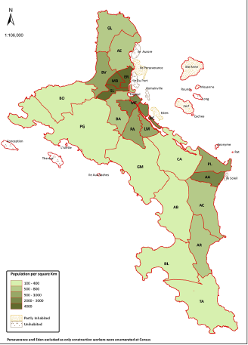
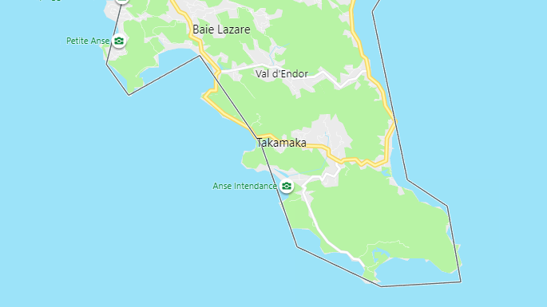
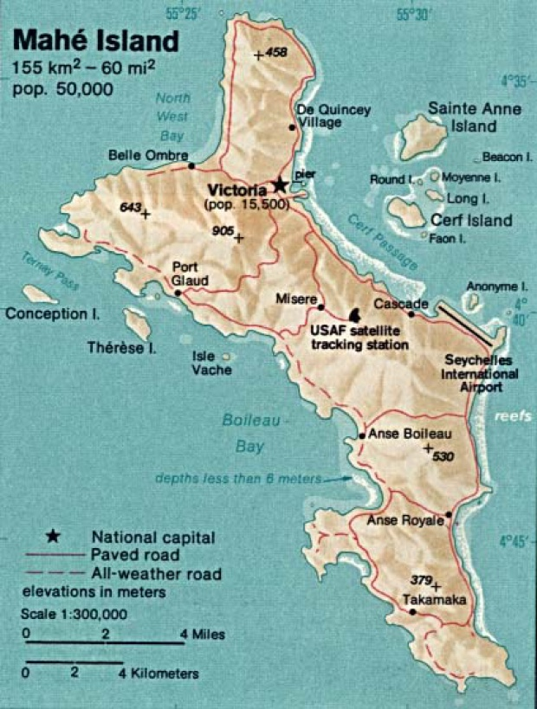
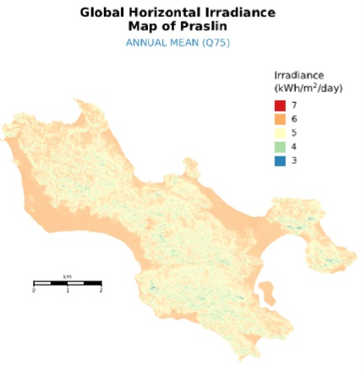
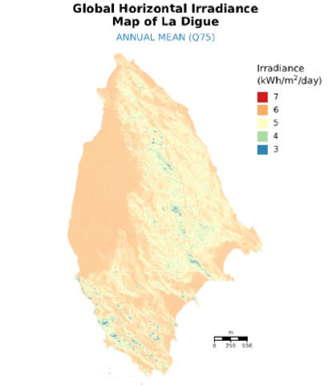
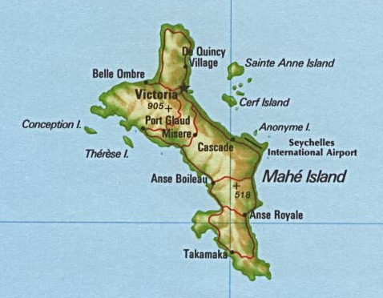

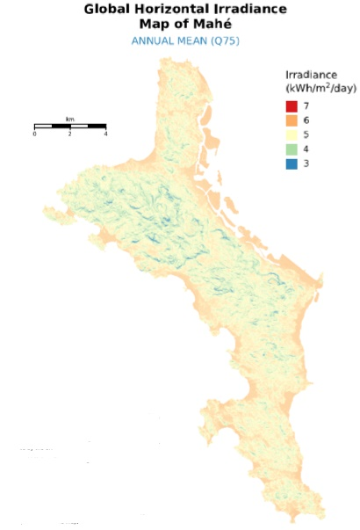

ELECTRICITY GENERATION : 447.5 GWh

ELECTRICITY 2019

Year | 2019
 | GWh | %
Fuel Oil & Gasoil 437.8 GWh 97.8% | 437.8 | 97.8%
Wind 5.7 GWh 1.27% | 5.700 | 1.27%
Solar PV 4.03 GWh 0.9% | 4.033 | 0.90%
Total for PUC | 447.553 | 100%

Share of Renewable Energy in Electricity Generation in 2019
Reunion | 31%
Mauritius | 21% | 2017 figure | Check IOC doc for more accurate figure
Seychelles | 2%

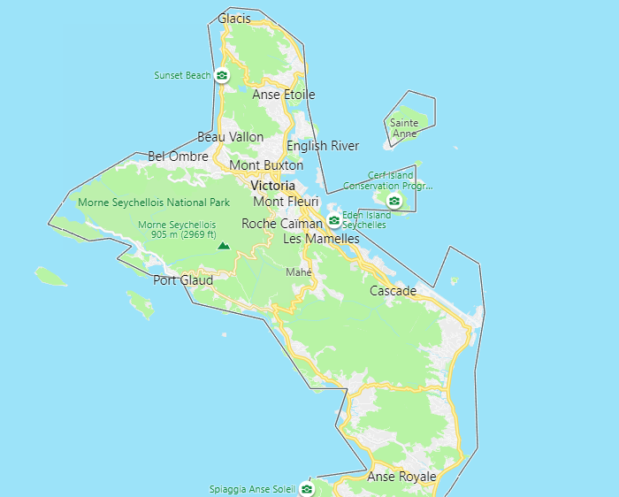
Power Stations

